1. Title Page
Instacart basket analysis

Project Name: Instacart basket analysis
Date: 07.11.2022
Analyst Name: Halina Kryvanos

Contents:
Population Flow
Consistency checks
Wrangling steps
Column derivations
Visualizations
Recommendations

2. Population Flow
Title page

Population flow

Exclusion flag
Condition: max_order < 5
Obervations to be removed: 1,440,295
Final total count of order_products_all: 30,964,564

orders_products_combined
df_products_orders_merged
Orders_products_all

Total: 32,404,859
Total: 32,434,489
Total: 32,404,859

1.) The grey boxes in the first row of the population flow represent the original data sets as they were when you downloaded them. In the Total fields you need to add the count of the rows when you imported the data set into Jupyter.
2.) The second row of boxes (coloured) represents the data sets after you manipulated them, e.g., removed missing values and duplicates. In the Total fields you need to add the count of the rows after conducting these operations. This offers a visual oveview of how the data flows throughout the data consistency checks.
3.) The third row, where also the arrows are coloured, represents the merges you performed between the datasets. In the Total fields you need to add the count of the rows in the merged datasets, so that you end up with the final dataset (in the red box). Keep in mind the final dataset should be without exclusions (based on the exclusion flag).

3. Consistency checks
 |  |  |  | Title page
Consistency checks

Dataset | Missing values | Missing values treatment | Duplicates
orders | days_since_prior_order- 206209 | Created a new column indicating whether the customer was new, or a returning customer | no duplicates found
products | product_name - 16 | created dataset with new values (df_nan) | 5 duplicates found, removed
orders_products_prior | 0 |  | 0
customers | first_name , 11259 values | were considered mixed type data, and when changed them to string value they no longer had any missing values | 0

4. Wrangling steps
 |  |  |  |  | Title page
Wrangling steps

dataset | Columns dropped | Columns renamed | Columns' type changed | Comment/Reason
orders.csv |  |  |  | not neede
 |  | order_dow->orders_day_of_week |  | better readability
orders_products_combined |  |  | order_id-> str | column acts as key
 | Unnamed: 0 |  | reordered | reduced to int8
customers.csv |  | Firast name > first_name
 |  | surnam->last_name |  | name was not clear
 |  | STATE > state
 |  | Gender > gender
 |  | Age > age
 |  |  | User_id | integer to string
 |  |  | first_name | integer to string
original_orders_products_4.10.0 | __merge |  |  | not needed
 | aisle_id |  |  | not needed
Departments.csv |  | Unnamed > department_id |  | reduce memory
orders_products_combined_4.9_1 | first_name |  |  | PII - dropped
 | last_name |  |  | PII - dropped

5. Column derivations
 |  |  |  | Title page

Column derivations and aggregations

In this tab you should add tables below that the frequences of flags/label variables that you produced after deriving them. NB: don't do this for continuous variables, only for flags.
Dataset | New column | Column/s it was derived from | Conditions
orders_products_merged | price_range | prices | If price <= $5, it will be labeled a “low-range product.” If price > $5 but l<= $15, it will be labeled a “mid-range product.” If price > $15, it will be labeled a “high-range product.”
 | busiest_day | orders_day_of_week | if day 0 or 1- 'busiest day', if day 4 or 3- 'least busy', else-'regularly busy'
 | busiest_period_of_day | order_hour_of_day | __Most orders__ - hours where orders exceed 2,000,000 __Average orders__ - hours where orders are between 1,000,000 and 2,000,000 __Fewest orders__ - hours where orders are less than 1,000,000
orders_products_merged_update2 | max order | user_id, order_number | maximum orders per customer
 | loyalty_flag | max_order | more than 40 = Loyal customer orders between 10 and 40 = regular customer less than 10 orders = New customer
 | avg_price | user_id, prices | avg
 | Spender_flag | mean_prices | < 10 = Low spender > =10 = High spender
 | median_days_since_prior_order | user_id, days_since_prior_order | >20 Non-frequent customer >10 Regular customer <=10 Frequent customer
 | frequency_flag | user_id, days_since_prior_order | order frequency < 20 …. Non frequent customer order frequency between 20 and 10 …. Regular customer order frequncy lower than 10 …. Frequent customer
original_orders_products_4.10.0 | region | state | US states were divided into 4 regions: South, West, Midwest, Northeast. This was based on a link that stated the rules and division was done by creating lists
 | activity_flag | max_order | exclude customers who have less than 5 orders
df_high_activity | age_profile | age | There are 3 profiles as follows. Young have age < 30 Middle age have 30 <= age < 65, old folks have age <= 65
 | parental_age_profile | age, no_of_dependents | age <30 and no_of_dependents >=1 - Young Parent age >=30 or <40 and no_of_dependents >=1 - Mid Parent age >=40 no_of_dependents >=1 - Older Parent
 | parental_relationship_status | marital_status, no_of_dependents | marital_status == single & no_of_dependents >=1 - Single Parent marital_status == 'divorved/widowed & no_of_dependents >=1 - Single Parent marital_status == living with parents and siblings & no_of_dependents >=1 - Single Parent marital_status == married & ('no_of_dependents' >=1 - Nuclear Family
 | relationship_age_status | age_profile, marital_status | age_profile = Mid Adult &marital_status= = divorced/widowed - Single Mid Adult age_profile == Mid Adult & marital_status == single - Single Mid Adult age_profile == Mid Adult & marital_status == living with parents and siblings, relationship_age_status - Single Mid Adult age_profile == Mid Adult & marital_status ==married - Married Mid Adult age_profile == Senior & marital_status == divorced/widowed - Single Senior age_profile == Senior & marital_status == single - Single Senior age_profile == Senior & marital_status == living with parents and siblings - Single Senior age_profile == Senior & marital_status == married - Married Senior age_profile == Young Adult & marital_status == divorced/widowed - Single Young Adult age_profile ==Young Adult & marital_status == single - Single Young Adult age_profile ==Young Adult & marital_status == living with parents and siblings - Single Young Adult age_profile == Young Adult & marital_status ==married - Married Young Adult
 | income_profile | income | Based on division of income in US; Low = less than $ 50000, Middle = $ 51000 - 150000. High = more than $151,000
 | dependant_profile | n_dependants | Either has dependants (1+) = value 1 or has no dependants= value 0
 | alcohol_flag | user_id, department | # Alcohol drinker if bought alcohol 1x (1) or not (0)
 | international_flag | user_id, department | # International buyer if bought international item at least 1x (1) or not (0)
 | baby_flag | user_id, department | # Baby stuff buyer if bought baby stuff(1) or not (0)
 | pet_flag | user_id, department | # Pet stuff buyer if bought baby stuff(1) or not (0)

6. Visualizations
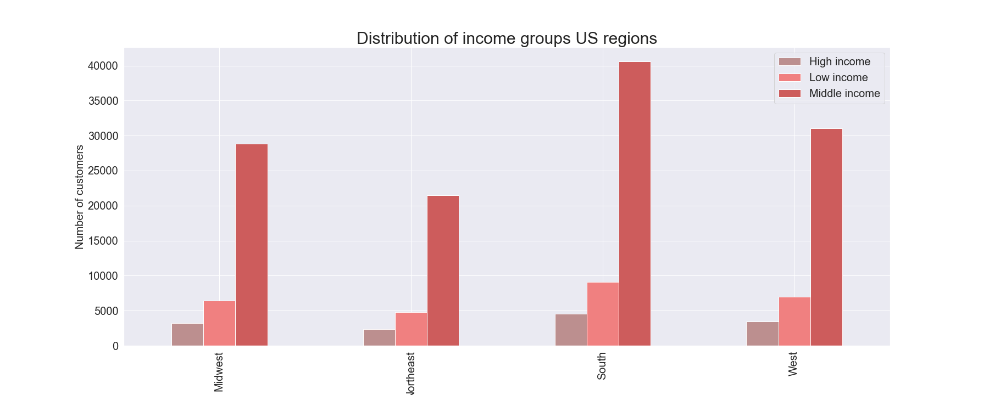
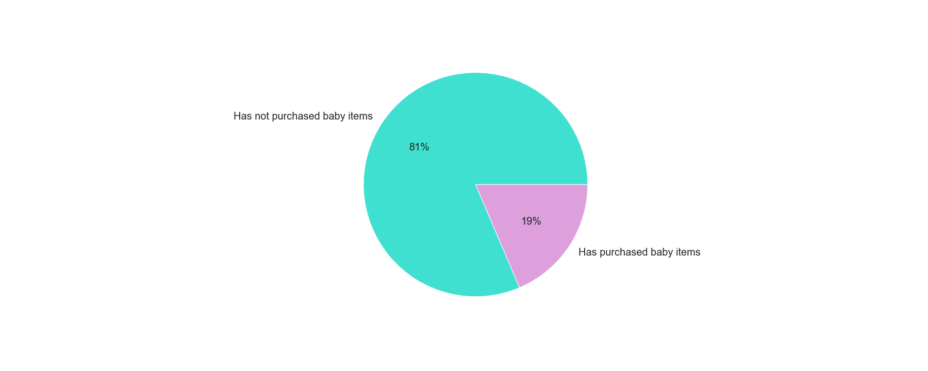
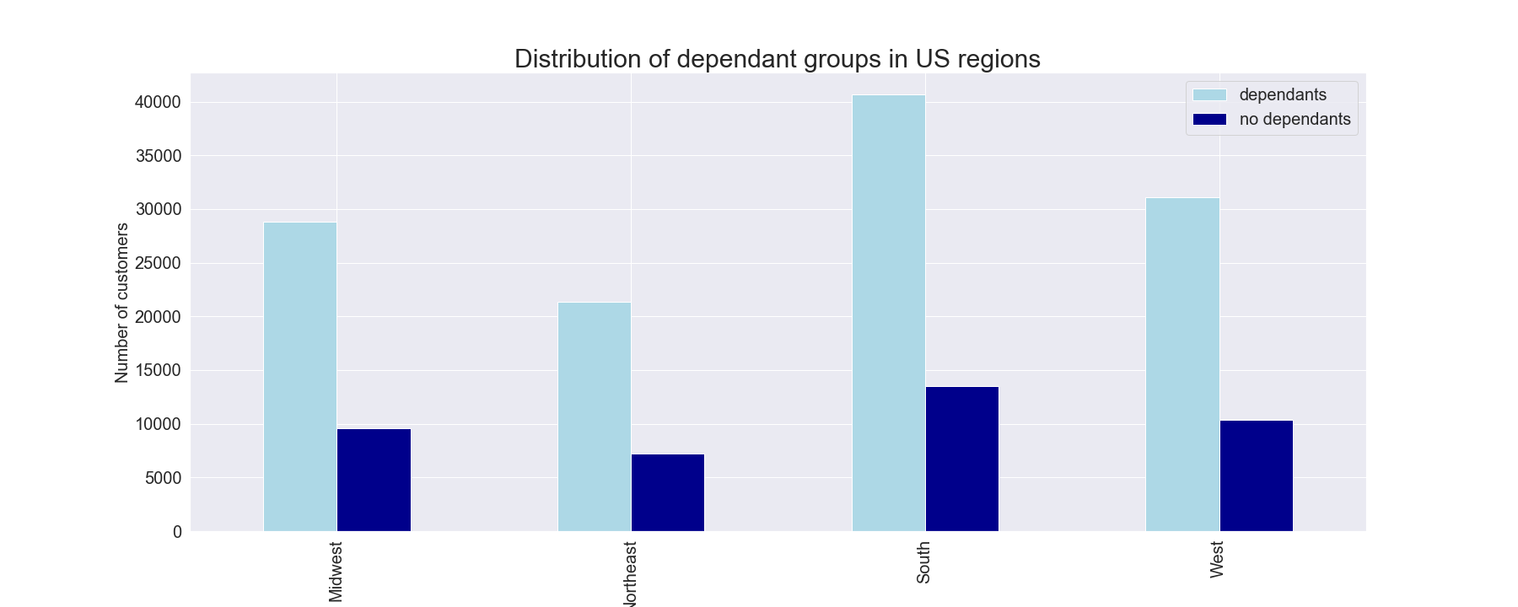
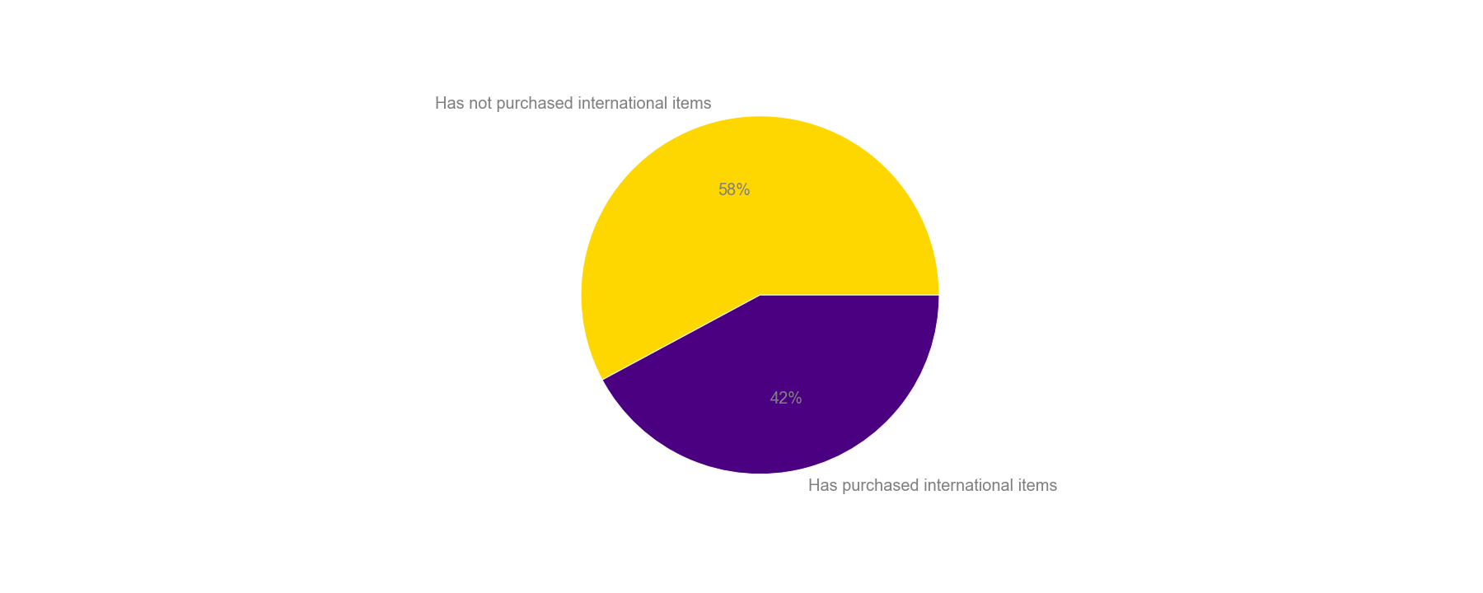
 |  |  |  |  |  |  |  |  |  |  |  | Title page

Visualisations

In this tab you should include all the visualtions from Exercises 4.9 and 4.10, alongside the questions from the project brief that they answer. Include any commentary on the relationship between different variables.

1. | The sales team needs to know what the busiest days of the week and hours of the day are (i.e., the days and times with the most orders) in order to schedule ads at times when there are fewer orders.
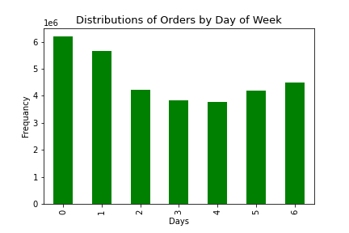
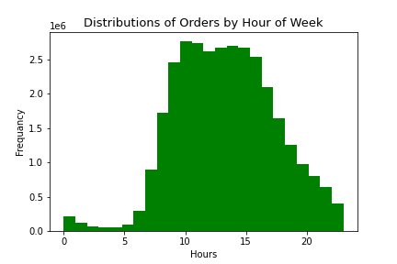

 |  | This bar graph represent the busiest orders of the week based on the number of orders placed each day. The most orders are placed on Saturday, Sunday and Friday. |  |  |  |  |  | This histogram represents the number of orders placed throughout the day. The most orders occur from 11am to 5pm.

 |  |  | Recommendations: To bring in more customers during slow periods of the day ads should be scheduled late in the evening , after 8pm, and in the early morning, 3-5am.

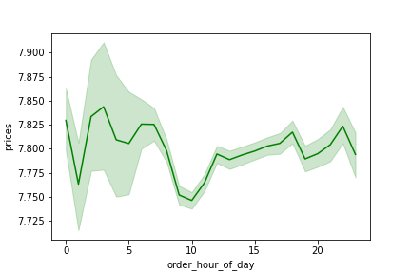
 | 2. They also want to know whether there are particular times of the day when people spend the most money, as this might inform the type of products they advertise at these times.

 |  |  |  |  |  |  |  | This line graph shows the price of products that are purchased throughout the day. The most expensive products tend to by purchased around between 2am to 5am

 |  |  |  |  |  |  |  | Conclusion : high range prodcuts are sold during night, and this is probably mostly alcohol. We should look at what items go the most and who is buying them, in orfed to target offering

 |  |  | Recommendations: People purchase the most expensive products in the early hours of the day, therefore ads for more expensive products should be put out in the early morning.

3. | Instacart has a lot of products with different price tags. Marketing and sales want to use simpler price range groupings to help direct their efforts.

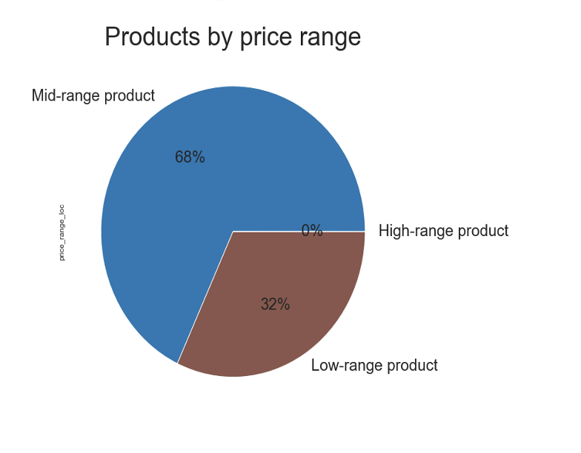
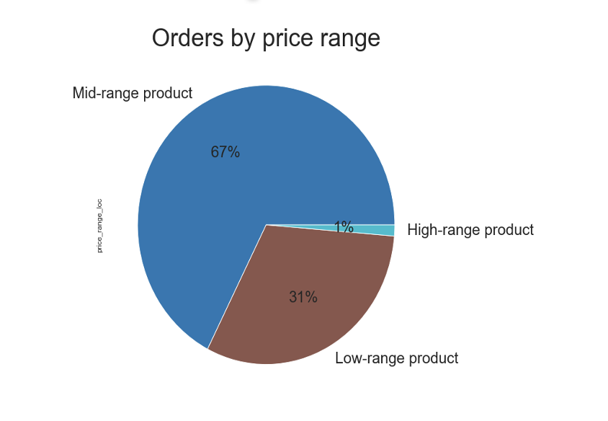

 |  | Both pie charts show that Mid - range products are the most popular. Intersting is that High-range products are least popular, but sell the most during night

 |  | Recommendations : Figure our which high range products sell the most and target marketing efforts accordingly. Because they also have a big margin, this can have a positive impact on the bottom line

 |  | Low-price product: if prices <= 5
 |  | Mid-price product: if prices >5 & <=15
 |  | High-price product: if prices >15

4. | Are there certain types of products that are more popular than others? The marketing and sales teams want to know which departments have the highest frequency of product orders
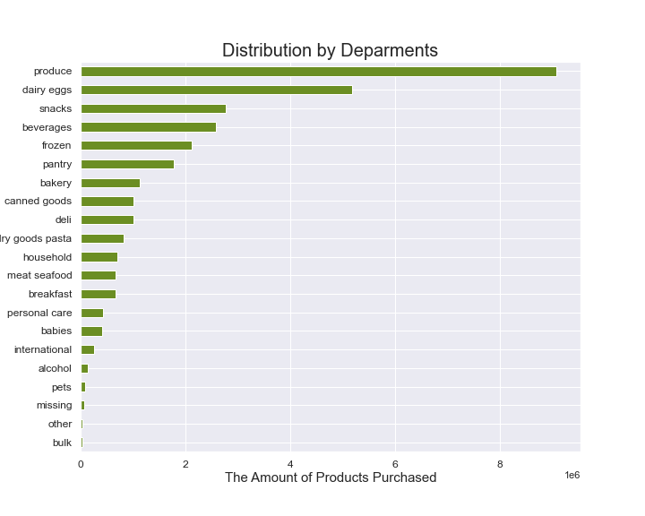

 |  |  |  |  |  |  |  |  |  | This bar graph represents the amount of products purchased in each department, in order of least to most popular. Very few purchases are made in the bulk departments, whereas the most purchases are make in produce, dairy/eggs, and snacks.

 |  |  |  |  |  |  |  |  |  | Conclusion: The most orders come from produce, followed by dairy eggs, snacks, beverages and frozen products.

 |  |  |  |  |  |  |  |  |  | Recommendations: The ops team should look at where are the biggest margins and out those, are they in the category top 5 or 6 places? Then, they should try to target those categories to boost them and to maximize the margin

 | 5. | The marketing and sales teams are particularly interested in the different types of customers in their system and how their ordering behaviors differ. For example:

 | 5a | What’s the distribution among users in regards to their brand loyalty (i.e., how often do they return to Instacart)?
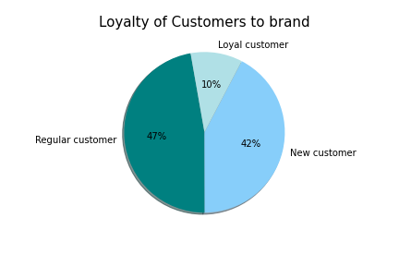

 |  |  |  |  |  |  | Regular customer 76864
 |  |  |  |  |  |  | New customer 68750
 |  |  |  |  |  |  | Loyal customer 17017

 |  |  |  |  |  |  | To simplify brand loyalty, groupings were organized by the maximum amount of orders each customer has made. They are sorted by new customers, regular customers, and loyal customer. New Customer: maximum orders <=10 Regular Customer: maximum orders >10 or <=40 Loyal Customer: maximum orders >40"

 |  | Recommendation: A slight majority of customers regularly return to Instacart for their online grocery purchases, but there is not a very strong proportion of loyal customers. There must be an increase in loyal customers, to ensure that they will keep coming back and making repeated orders, therefore additional coupons and savings offers can be included into their ads. To bring in more new customers, we can provide a free 7-day trial if they are first time users, and continue to run ads to encourage their return.

 | 5b. | Are there differences in ordering habits based on a customer’s loyalty status?
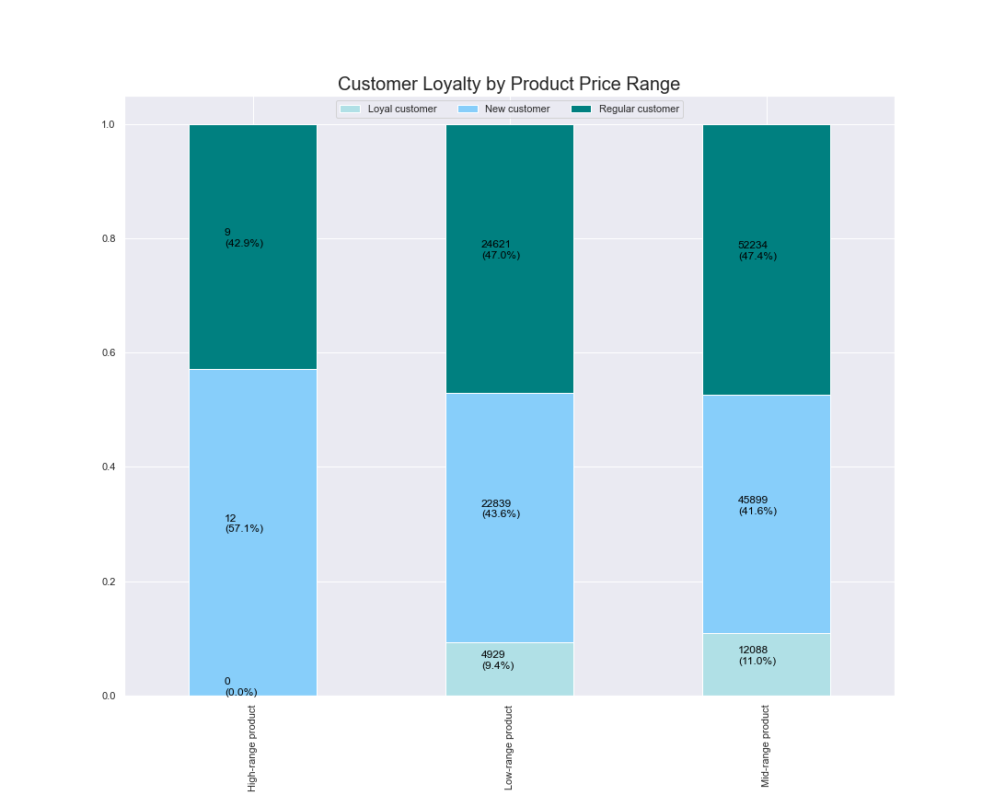

 |  |  |  |  |  |  |  |  |  | High range products are ordered mostly by New customers. Regular customers order mostly Mid and Low range products. And loyal customers do not purchase any high-end products

 |  |  |  |  |  |  |  |  |  | Conclusion: There appears to be an association between first-time shoppers and high quality products. It would be interesting to explore this further. Also, find out why regular customers only buy products in the middle and low price segment

 |  |  |  |  |  |  |  |  |  | Recommendations: We must find a way to encourage loyal customers to make high-margin purchases to increase the company's profits, as they are customers who will keep coming back to make purchases. In addition, advertisements should be placed for new and regular customers to encourage them to become regular Instacart customers.

 | 5c. | Are there differences in ordering habits based on a customer’s region?

 | No of states per Region |  |  |  | No of Customers per Region
 |  |  |  |  |  | On the left is the count of states within each region, with the south containing the most amount of states. Addiionally, to the right we can see the number of unique users within each state, with the south having the most amount of users.

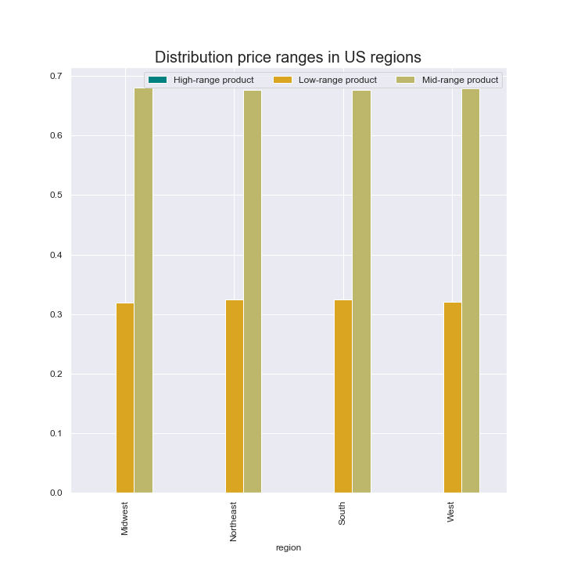
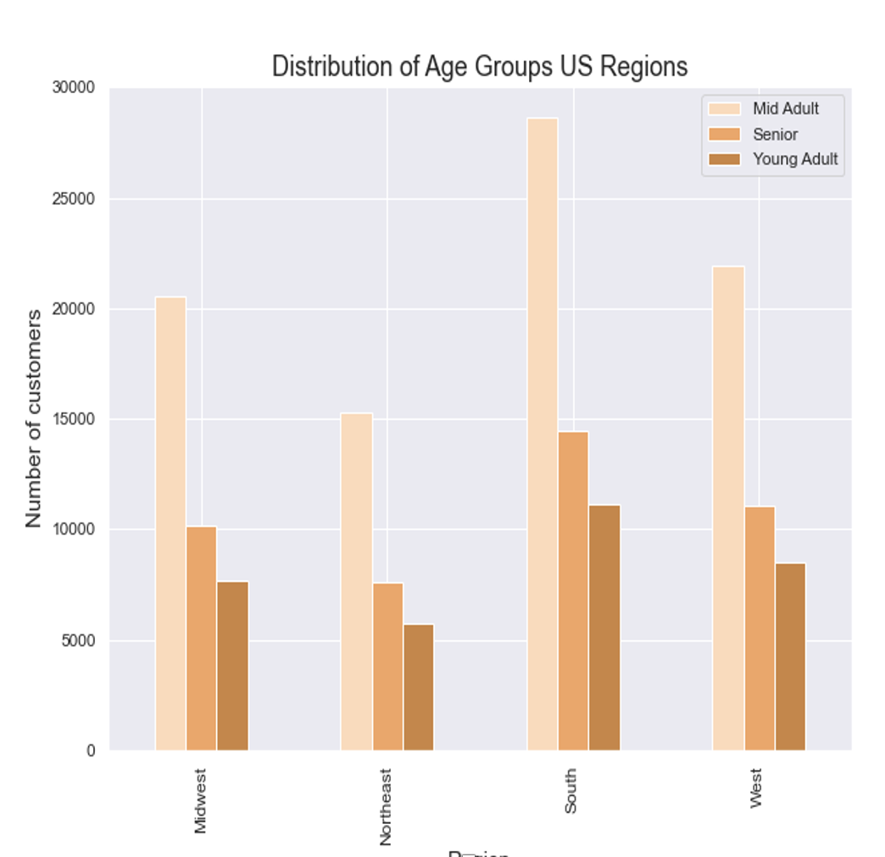
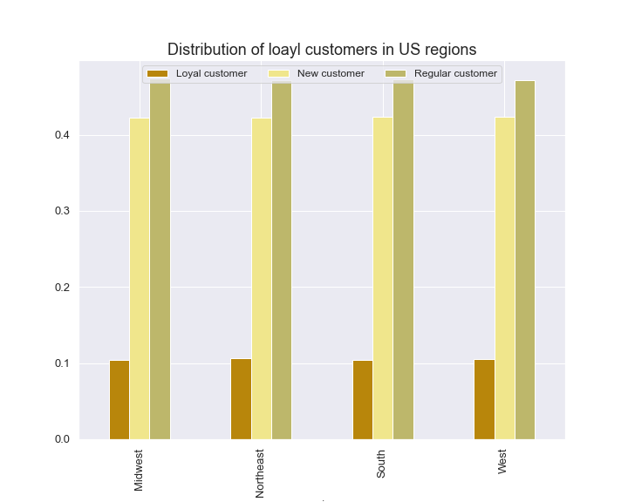

 |  | Every region has most mid range products, followed by low range products . There are very few high range products in each region |  |  |  |  |  |  | The Midle Adult group from age 30 to 65 is the most in each region. |  |  |  | New and regular customers are the most common in each region

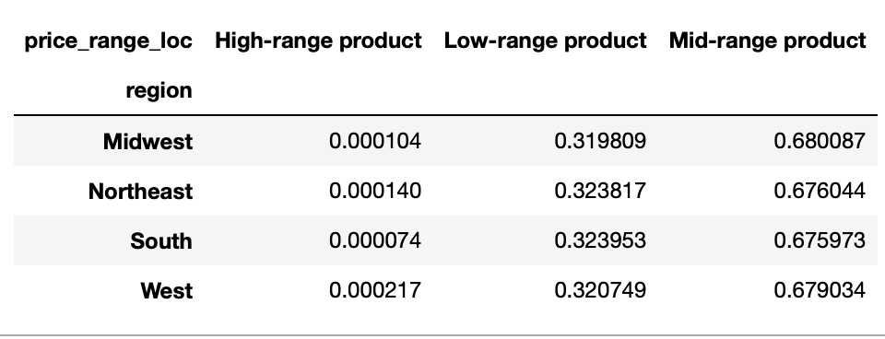
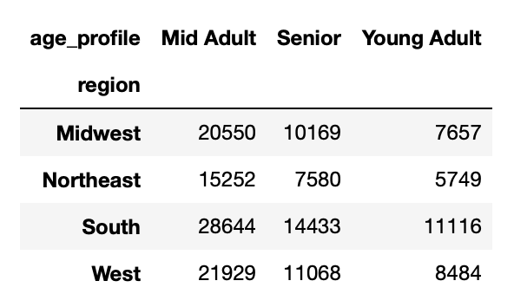
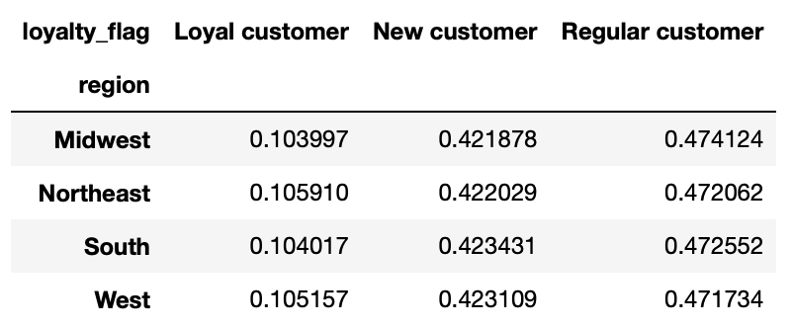

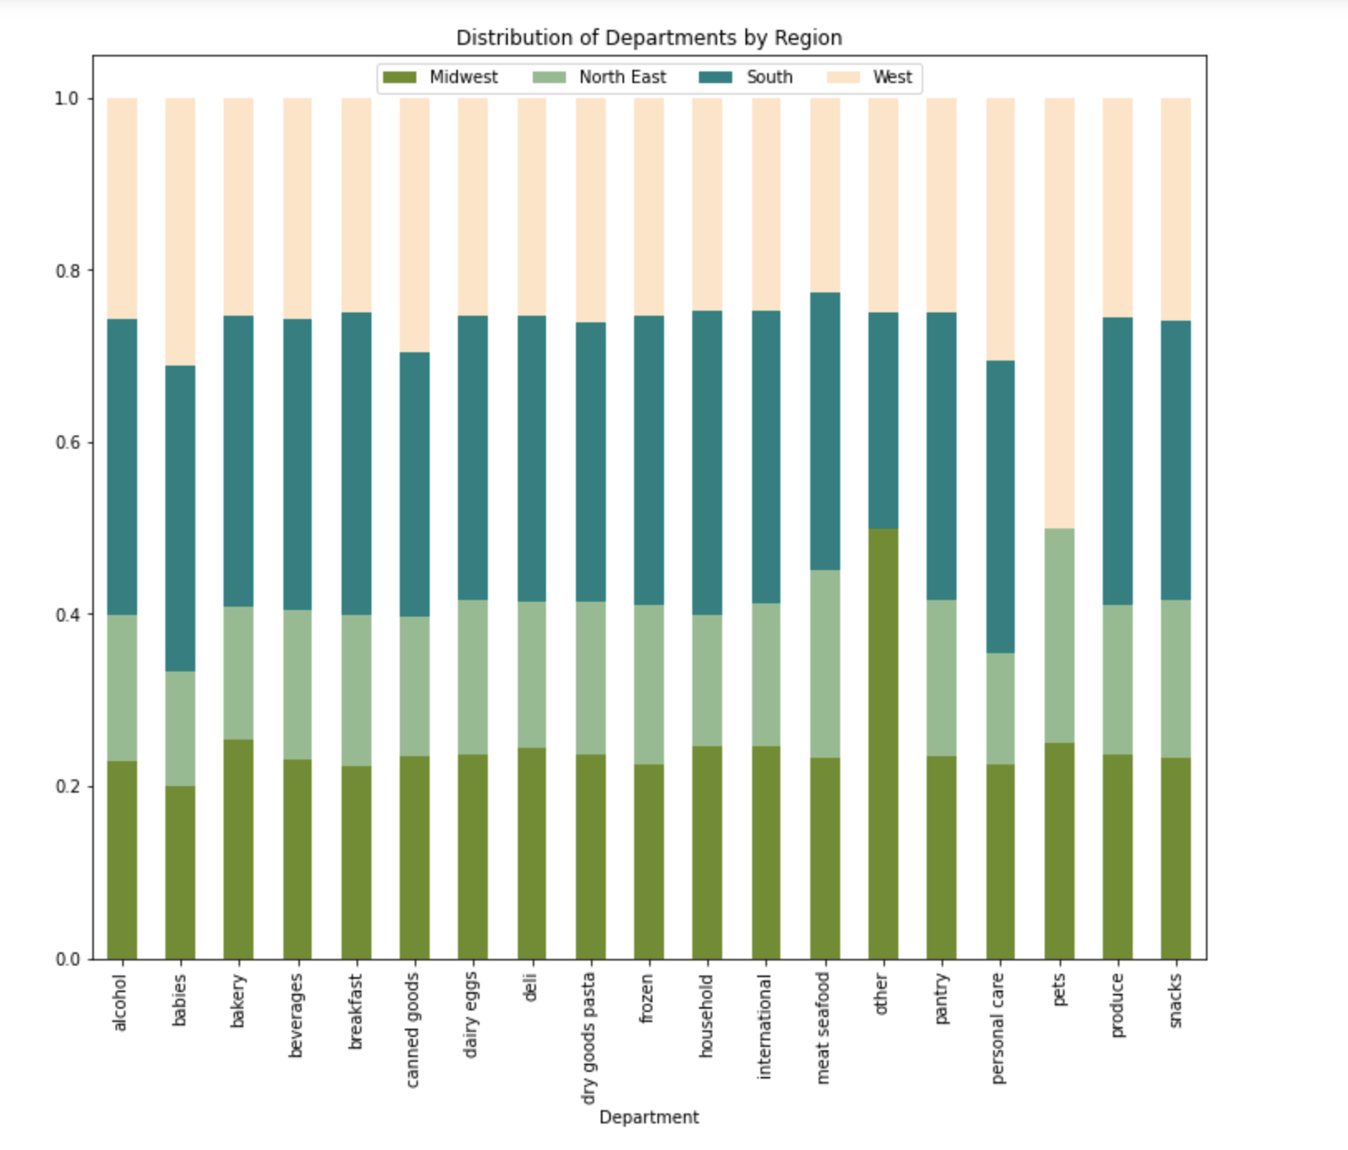
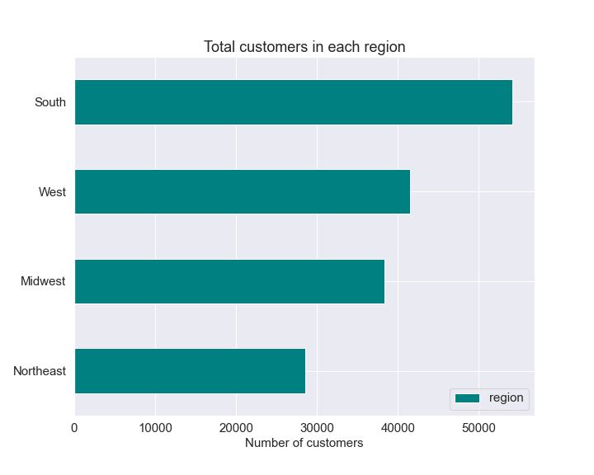

 |  | Products from the bulk department appear to be exclusively purchased in the West and Northeast. The South has the most purchases from the 'missing' category so it is probably useful to find what these missing items are as they should be advertised more in the South. Produce, dairy/eggs, beverages, snacks and frozen are the most utilized departments by all regions. |  |  |  |  |  |  |  | All the above corresponds with the total number of customers across regions. South has the most, and therefore has also the "most" of everything else

 |  | Recommendations: Adapt the adds to regions, see where potential is to close the gap between proportion of the region population and between purchases/customers in those regions

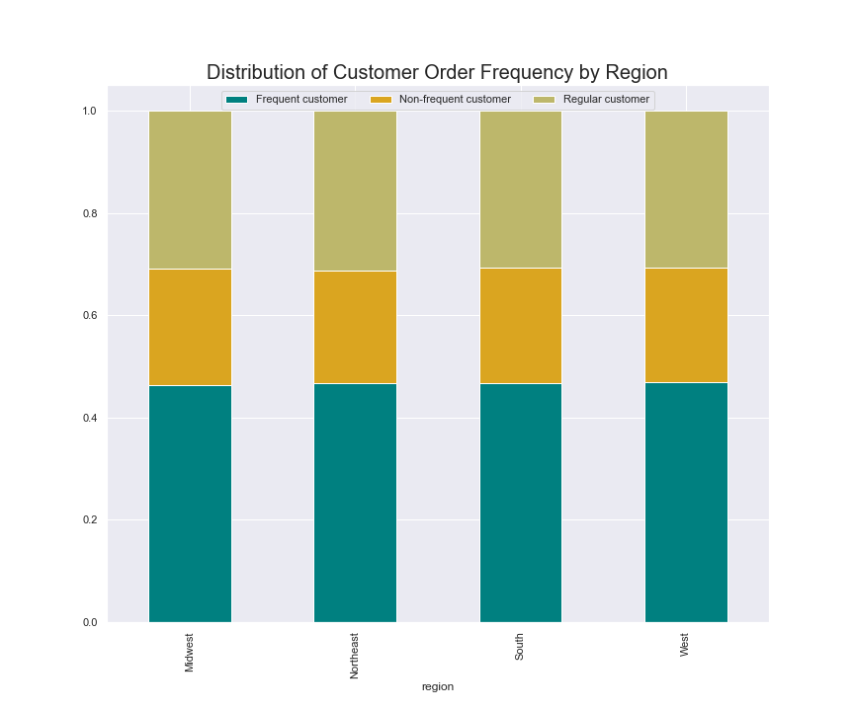
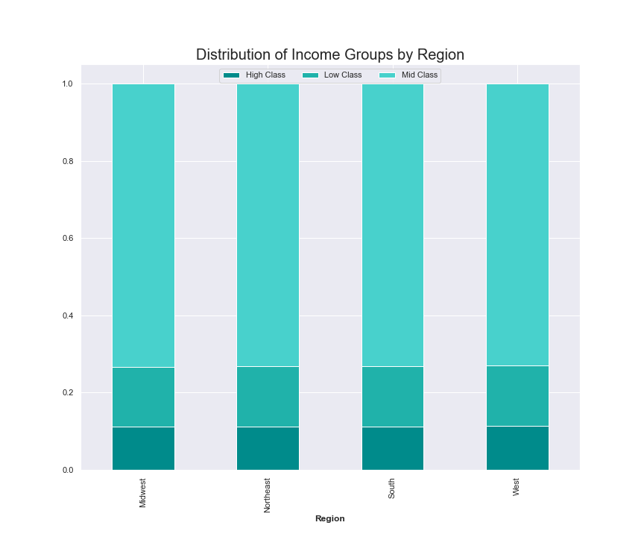
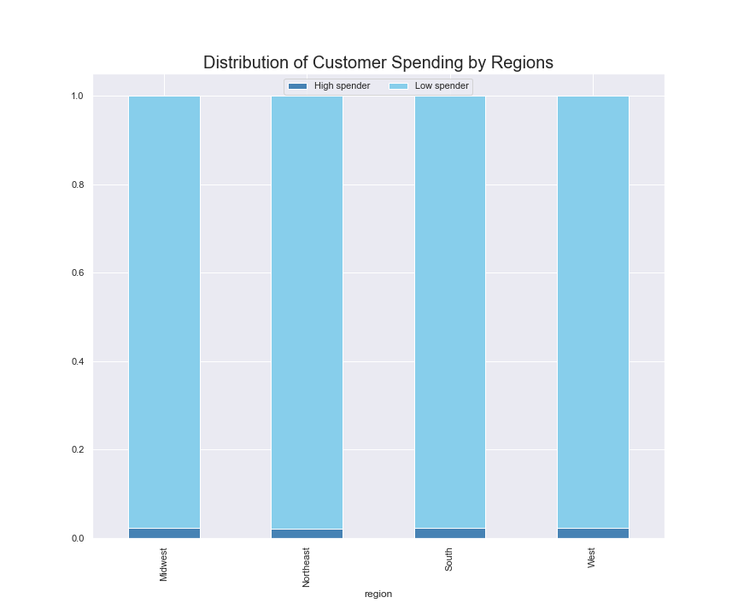

 |  | The stacked bar chart represents the distribution of customer spending in each region. There is no difference in distribution of customer spending throughout the regions. |  |  |  |  |  |  |  | The stacked bar chart represents the distribution of customer order frequency in each region. There is no difference in distribution of customer order frequency throughout the regions. |  |  |  |  | The stacked bar chart represents the distribution of income groups in each region. There is no difference in distribution of income groups throughout each region.

 |  | To simplify customer spending, they were grouped by the average price that they paid for each order. Low Spender: average price <10 High Spender: average price>=10 |  |  |  |  |  |  |  | To simplify customer order frequency, groupings were organized by their median order frequency, and organized into frequent, regular, and non-frequent groups. Frequent: median order frequency <=10 days Regular: median order frequency >10 and <=20 days Non-Frequent: median order frequency >20 days |  |  |  |  | To simplify economic groups, groupings were organized by their income, and organized into lower, medium and upper classes. Low class: income <=50000 Mid class: income >51000 and <=150000 High class: income >151000"

 |  |  |  | Recommendations: Although there is no difference in distribution between regions, it can be seen that few young people use Instacart, although they are most likely to use the convenient food delivery service. This may be based on the fact that they earn less than other age groups, so to encourage their use, we may offer student discounts in our ads. In addition, we should target customers with higher incomes, as they will buy more expensive products more often.

 | 5d. | What different classifications does the demographic information suggest? Age? Income? Certain types of goods? Family status?
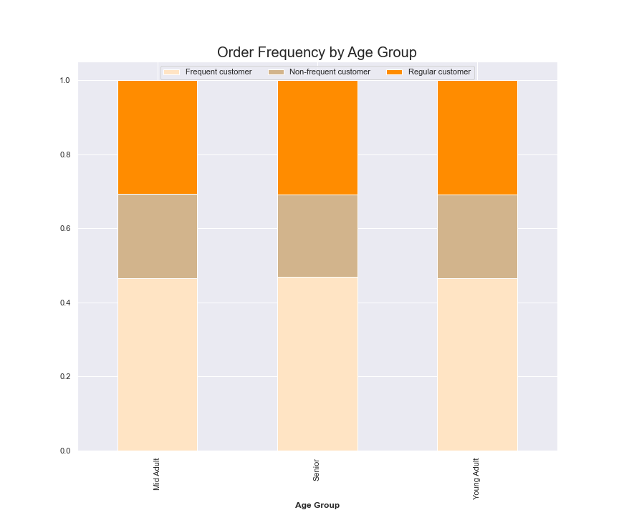
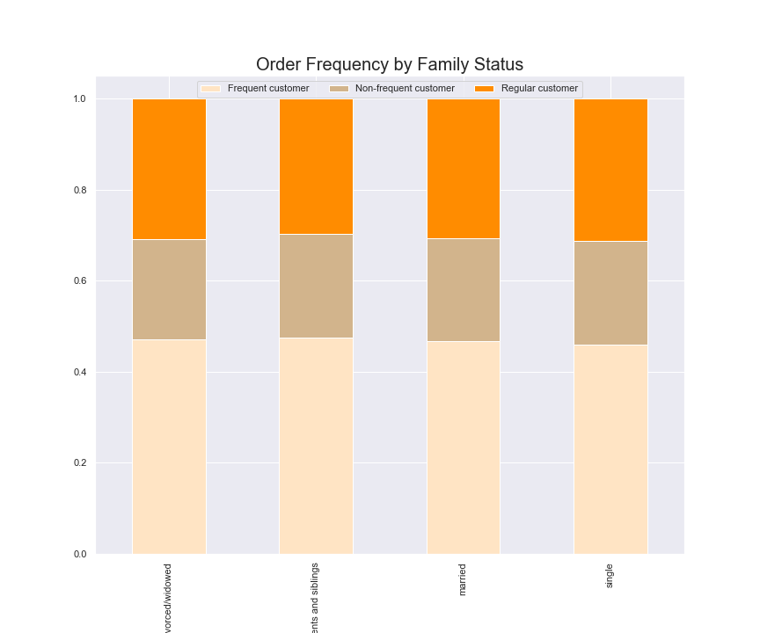
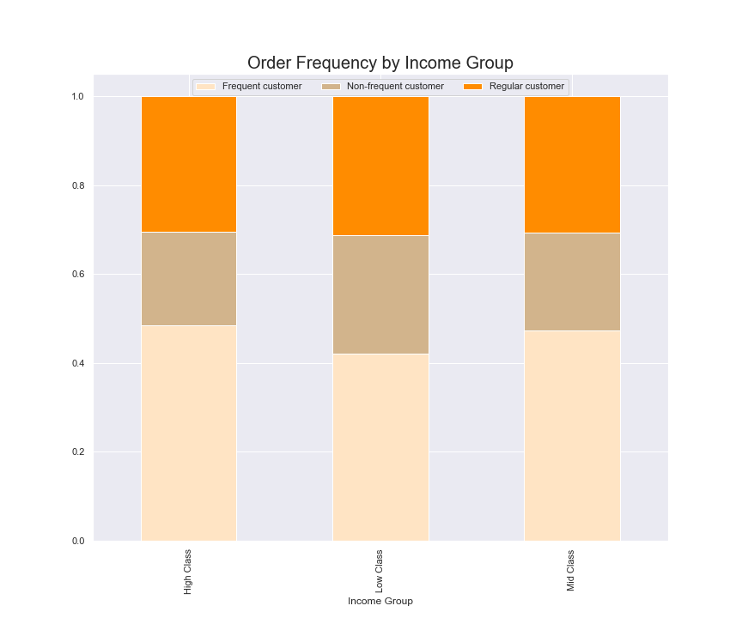

 |  | The above stacked bar chart represents the order frequency of different age groups. The graph shows that each age group has similar distributions of order frequencies, with about half of customers wtihin each age group being considered frequent and about 25% being non-frequent. |  |  |  |  |  |  |  | The above stacked bar chart represents the order frequency of each type of family structure, and as with age groups, they have a similar distribution of order frequencies with about half being frequent customers, and 25% being non-frequent customers. |  |  |  | The above stacked bar chart represents the order frequency of each economy classes, and as with age groups, they have a similar distribution of order frequencies with about half being frequent customers, and 25% being non-frequent customers.

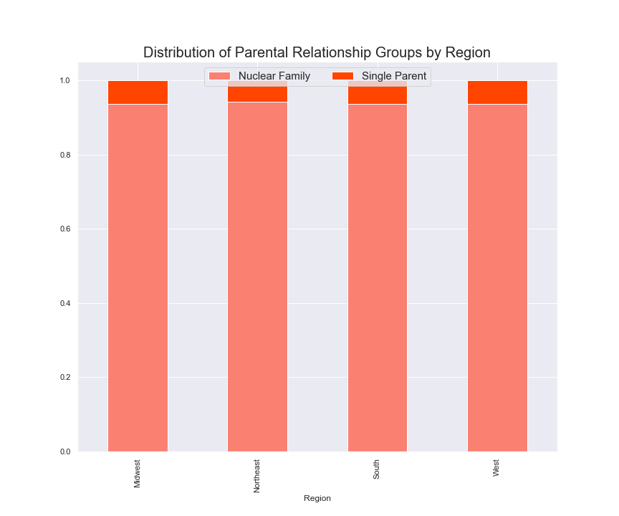
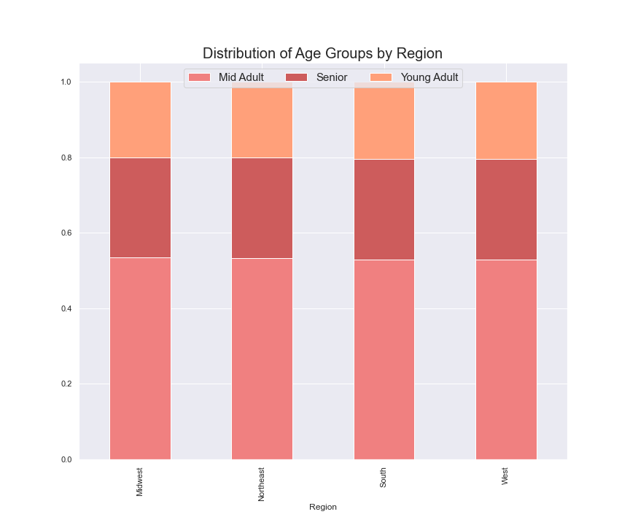

 |  | The above stacked bar chart represents the distribution of customers of different parental relationships throughout each region. Once again, the distribution of each group is equal between regions, with a near 95% of customers who are parents are in a relationship, or a nuclear family, and ~5% being single parents. |  |  |  |  |  |  | The above stacked bar chart represents the distribution of different aged parents throughout the different regions. The distribution of different parental ages in similar for each region, with Senior-parents, or parents older than 40, make up about 75% of customers in each region, and the other 25% is split between Young Adalt (<=30) and Mid Adult parents (>30 and <=40).

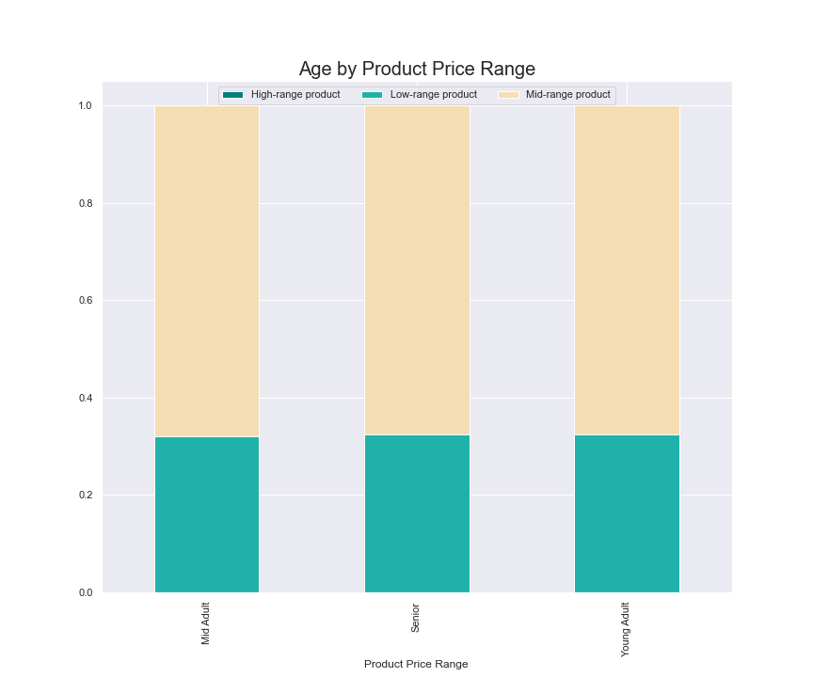
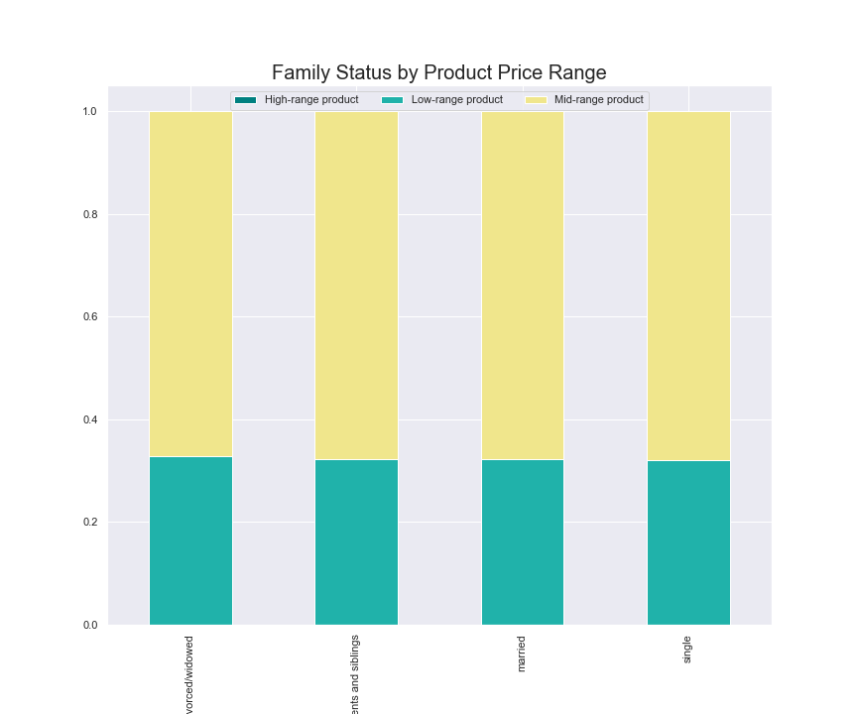
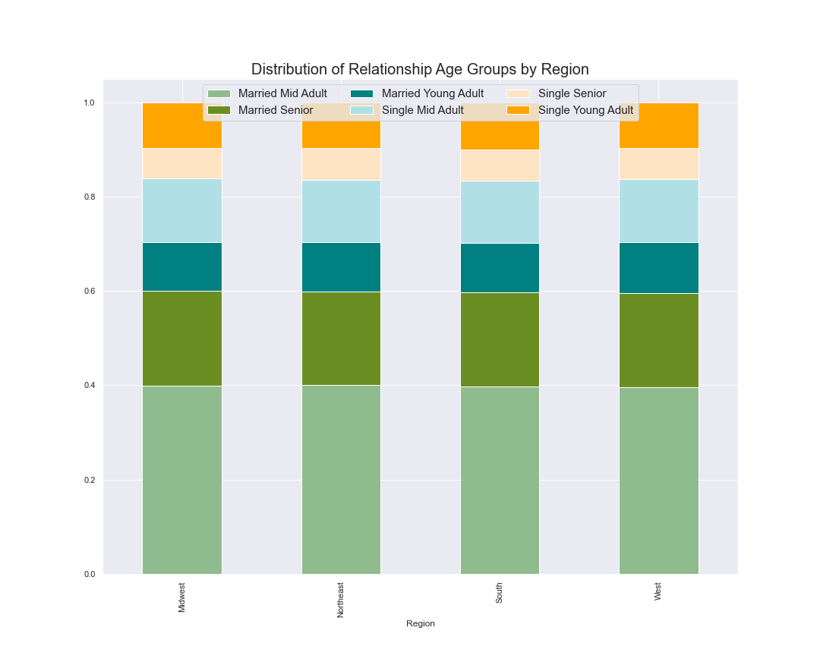

 |  | The above stacked bar chart represents the product price range of each age group, and shows that they are all distributed equally among the groups, with a higher proportion of mid-ranged products purchased, and no high-range products purtchased among any age group. |  |  |  |  |  |  |  | Above is a stacked bar chart representing the product price ranges purchased by customrs of different family statuses. As with age groups, the price ranges are equally distributed amongst the groups, with a 75% proportion of mid-ranged products purchased, and no high-ranged products purchased. |  |  |  |  | The above stacked bar chart represents the distribution of different age groups' relationship statuses. There is an equal distribution throughout all regions. Nearly half of all customers are married adults, whereas single seniors and married young adults make up the smallest portion of customers

 |  |  | Recommendations: To increase the number of Instacart customers, ads can be run to target our Younger users, including Young Parents and married Young Adults. We can create ads to show how more frequent usage can simplify their busy, fast moving lifestyles. The younger audience and Young Parents may be more succeptible to our ads and repeated usage because theiy tend to use technology to create a more efficient lifestyle.

 | 6. What different classifications does the demographic information suggest?

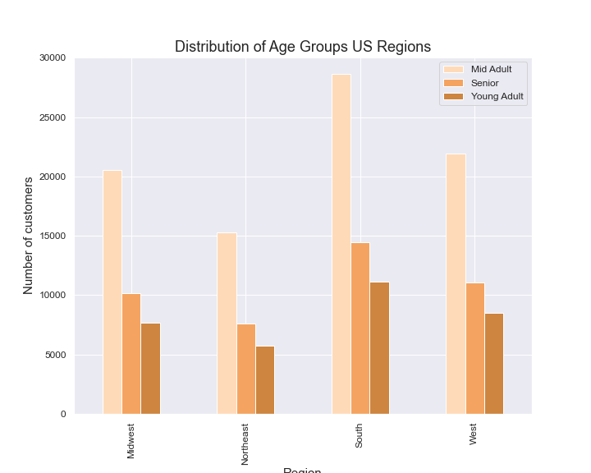
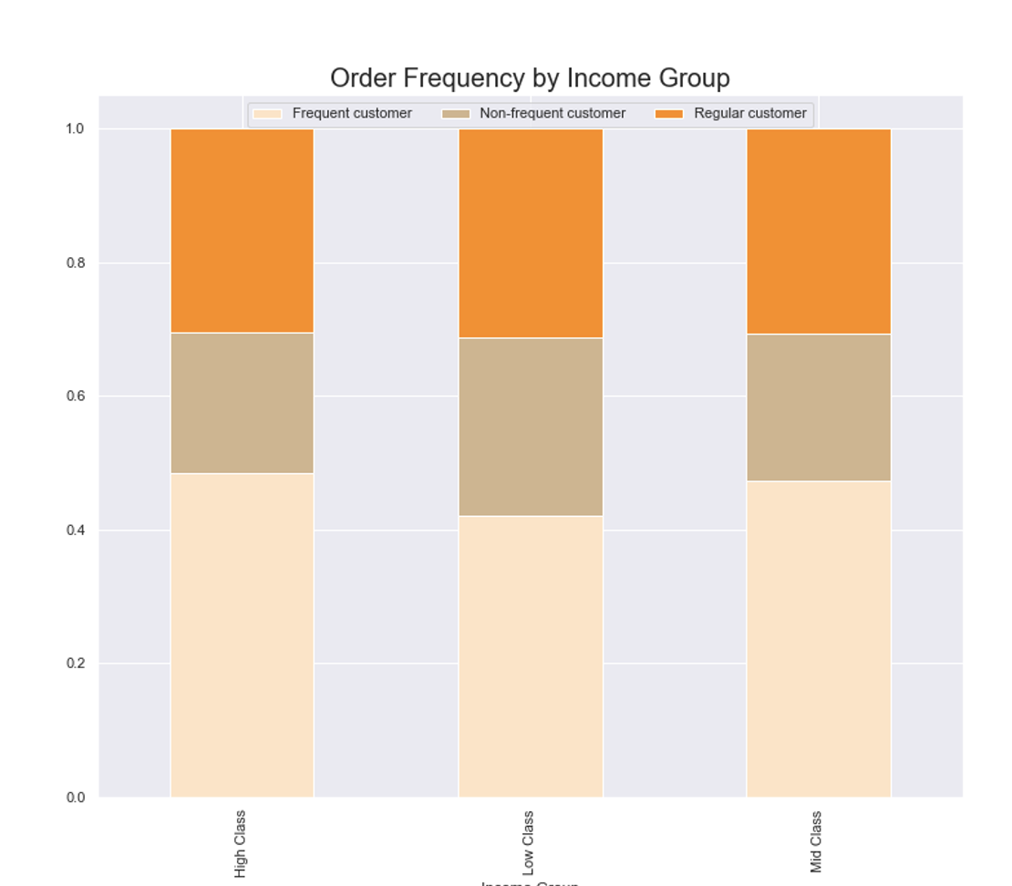

 |  | The bove stacked bar chart shows the order frequencies of each income group. Middle and upper class customers have a similar distribution of frequencies with most customers ordering frequently, whereas lower class customers have a slightly different distribution. Lower class customers as shown to have more non-frequent ordering frequencies than the other income groups |  |  |  |  |  |  |  | The above bar chart shows the age distribution of their customers througout the different regions. The south is shown to have the most of all 3 age groups, which correlated with the fact that there are more states and more active customers in the southern states. Otherwise, the distribution of age groups is relatively equal between all four regions, in relation to population size.

 |  | Recommendations: As said previously, we should run more ads to target our younger users to encourage their frequent usage of the app. Making the app more user friendly may also encourage our older audiences to use our app more frequently as well, as they may be moving into a time in their life where they are not wanting to go into the grocery store anymore, but are not technology savvy.

7. What differences can you find in the ordering habits of different customer profiles? Consider the price of orders, the frequency of orders, the producs customers are ordering, and anything else you can think of.

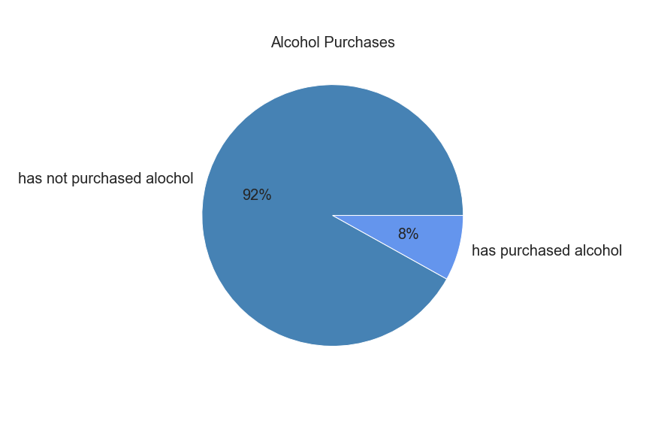
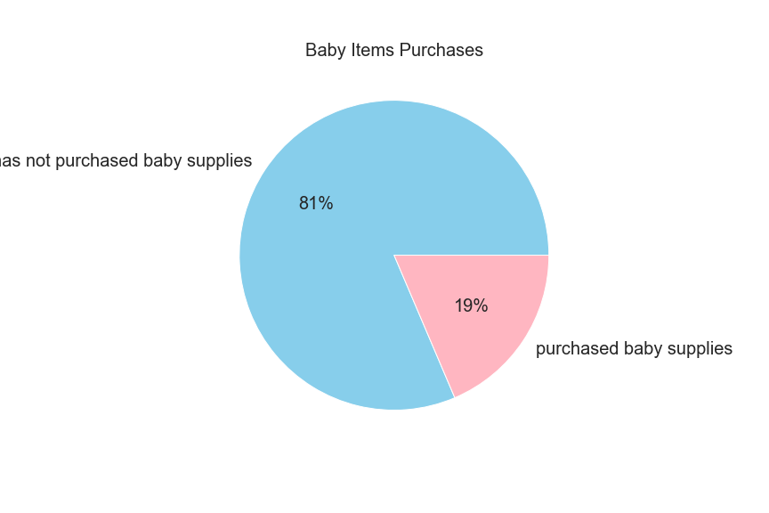
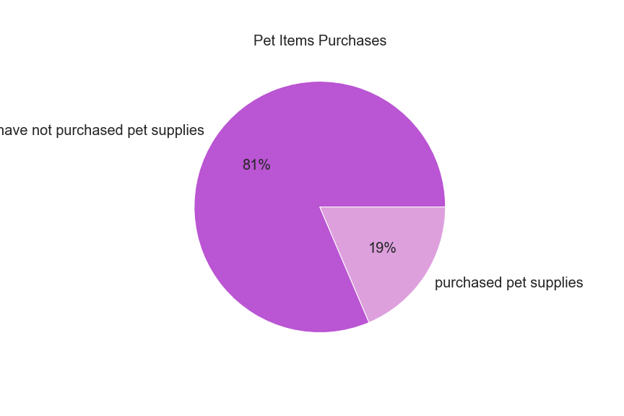
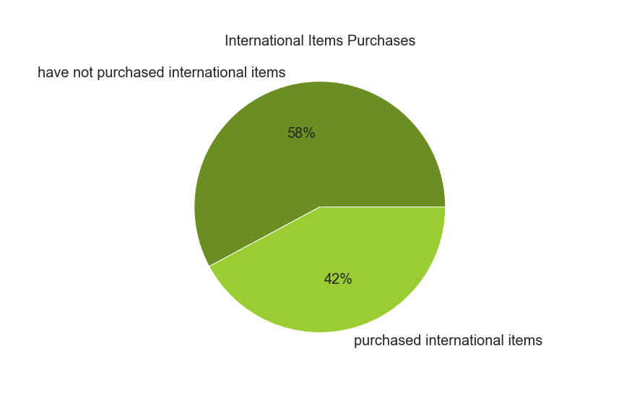

 |  | The pie chart shows the percentage of customers that have purchased alcohol. 8% of customers have bought alchohol. |  |  |  |  |  |  |  | The pie chart show the percentage of customers who have purchased baby supplies, which inplies that they have young children. 19% of customers buy baby supplies |  |  |  | The pie chart show the percentage of customers that have purchased pet supplies, inferring that they have a pet. 19% of customers have bought pet supplies. |  |  | The pie chart shows the percentage of purchases of international products. 58% of has not intenational items and 42% has international items

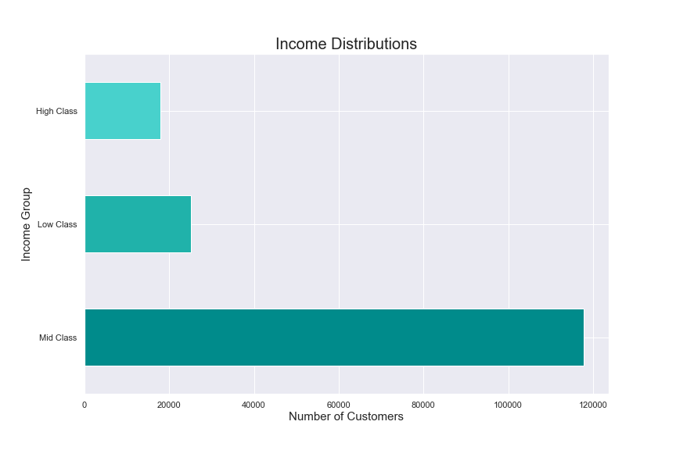
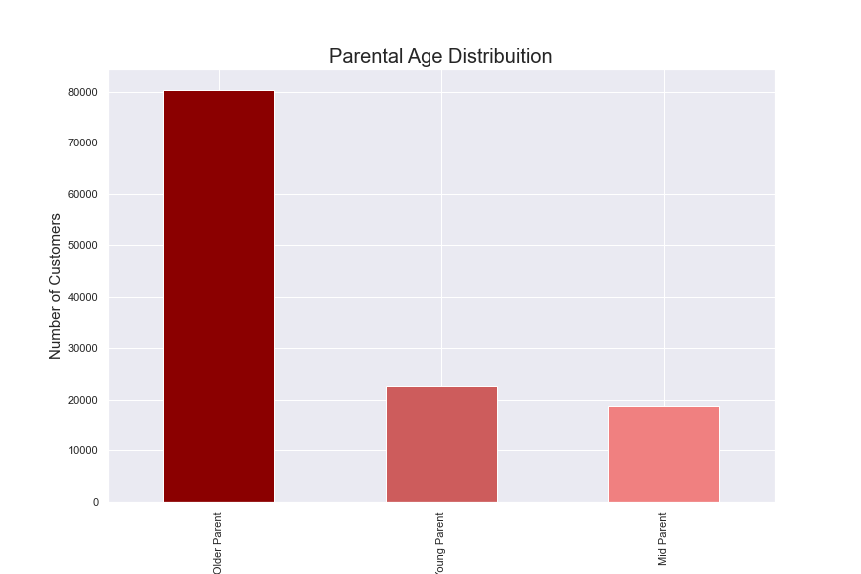

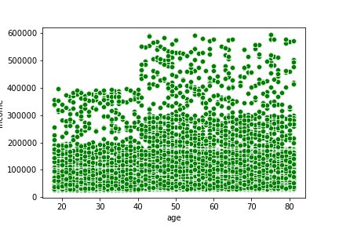

 |  | This bar chart shows the distribution of economic groups amongst out customers. Middle class customers make up a majority of Instacart users, followed by lower and upper economic groups. |  |  |  |  |  |  |  |  | This bar chart shows the distribution of parental relationships, which indicates that a majority of parent customers are in a relationship. |  |  |  |  | This scatterplot represents the spending power of customers in relation to their age. It shows that most users regardless of their age make around $20,000. Under the age of 40, the maximum income of our users is 400,000, but as they exceed 40 their maximum income goes up to 800,000.

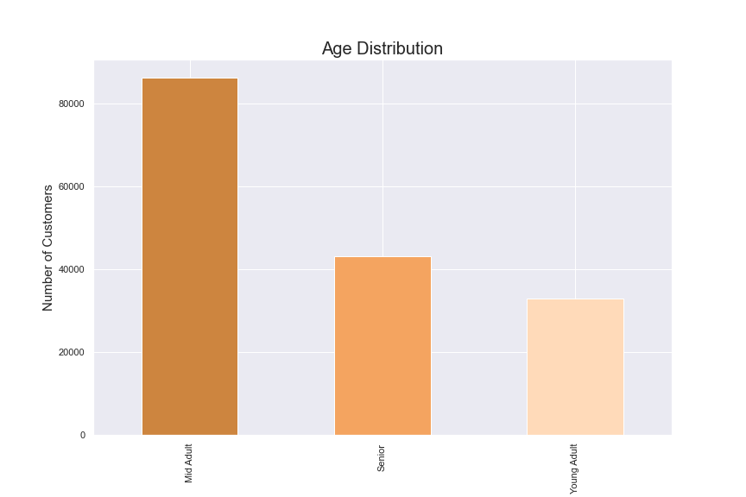
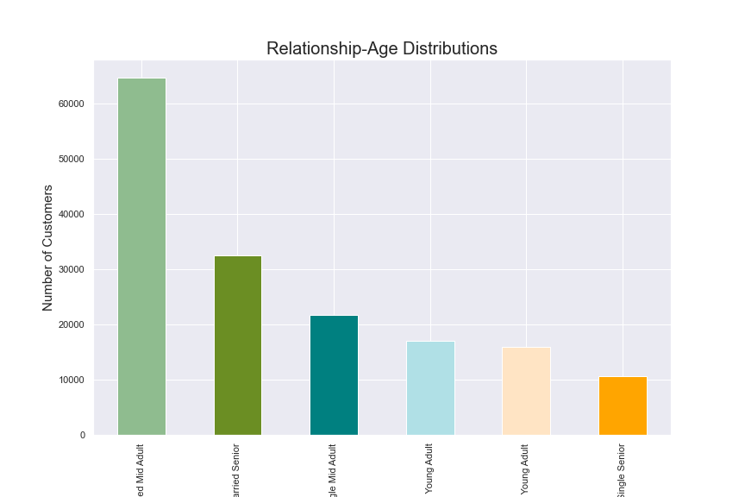
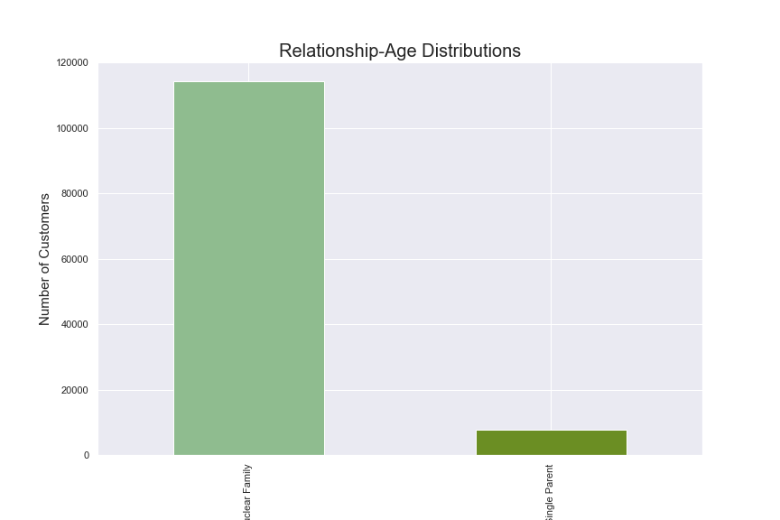

 |  | This bar chart shows the distribution of age groups of all customers. Adults make up the largest population of customers, and young adults make up the smallest portion of customers. |  |  |  |  |  |  | This bar chart shows the distribution of different age groups who are in a relationship or single. Married customers make up the largest group of customers, with married young adults and single seniors making up the smallest portion of the customer population. |  |  |  | This bar chart show the distribution of different parental age groups. Most parents who use Instacart are considered older parents, or over the age of 40. This may be in part due to the fact that people are waiting to have children until they are older and more financially stable.

 |  |  |  |  | Recommendations: After reviewing all the charts above, we should focus on showing ads to 3 main groups: young adults, young parents, and people from the upper economic class. As stated earlier, you adults and parents may be struggling to afford using Instacart, so we can create a discount program for students or people with dependents. In addition, we can show more ads that target people from the upper classes because they have the money to afford more expensive products and can increase the company's revenue. They already have the funds, we just need to create an easy environment to keep our customers coming back to us and not to our competitors.

7. Recommendations
 |  |  | Title page

Recommendations

In this tab you should include any recommendations you would made to Instcart in terms of their marketing strategy based on the questions posed in the brief. Every key question has been covered in the Tasks of the Exercises - here you need to add an item - a visualisation or table/crosstable that is showing the answer in the data, acompanied by a comment from you. Please, list the questions below and add the answer underneath.

1. | 1. The sales team needs to know what the busiest days of the week and hours of the day are (i.e., the days and times with the most orders) in order to schedule ads at times when there are fewer orders.

 | Recommendations: To bring in more customers during slow periods of the day ads should be scheduled late in the evening , after 8pm, and in the early morning, 3-5am.

 | 2. They also want to know whether there are particular times of the day when people spend the most money, as this might inform the type of products they advertise at these times.

 | Recommendations: People purchase the most expensive products in the early hours of the day, therefore ads for more expensive products should be put out in the early morning.

 | 3. Instacart has a lot of products with different price tags. Marketing and sales want to use simpler price range groupings to help direct their efforts.

 | Recommendations : Figure our which high range products sell the most and target marketing efforts accordingly. Because they also have a big margin, this can have a positive impact on the bottom line

 | 4. Are there certain types of products that are more popular than others? The marketing and sales teams want to know which departments have the highest frequency of product orders

 | Recommendations: The ops team should look at where are the biggest margins and out those, are they in the category top 5 or 6 places? Then, they should try to target those categories to boost them and to maximize the margin

 | 5. The marketing and sales teams are particularly interested in the different types of customers in their system and how their ordering behaviors differ. For example:

 |  | 5a. What’s the distribution among users in regards to their brand loyalty (i.e., how often do they return to Instacart)?

 |  | Recommendation: A slight majority of customers regularly return to Instacart for their online grocery purchases, but there is not a very strong proportion of loyal customers. There must be an increase in loyal customers, to ensure that they will keep coming back and making repeated orders, therefore additional coupons and savings offers can be included into their ads. To bring in more new customers, we can provide a free 7-day trial if they are first time users, and continue to run ads to encourage their return. "

 |  | 5b. Are there differences in ordering habits based on a customer’s loyalty status?

 |  | Recommendations: We must find a way to encourage loyal customers to make high-margin purchases to increase the company's profits, as they are customers who will keep coming back to make purchases. In addition, advertisements should be placed for new and regular customers to encourage them to become regular Instacart customers.

 |  | 5c. Are there differences in ordering habits based on a customer’s region?

 |  | Recommendations: Adapt the adds to regions, see where potential is to close the gap between proportion of the region population and between purchases/customers in those regions

 |  | Recommendations: Although there is no difference in distribution between regions, it can be seen that few young people use Instacart, although they are most likely to use the convenient food delivery service. This may be based on the fact that they earn less than other age groups, so to encourage their use, we may offer student discounts in our ads. In addition, we should target customers with higher incomes, as they will buy more expensive products more often.

 |  | 5d. What different classifications does the demographic information suggest? Age? Income? Certain types of goods? Family status?

 |  | Recommendations: To increase the number of Instacart customers, ads can be run to target our Younger users, including Young Parents and married Young Adults. We can create ads to show how more frequent usage can simplify their busy, fast moving lifestyles. The younger audience and Young Parents may be more succeptible to our ads and repeated usage because theiy tend to use technology to create a more efficient lifestyle.

6. What different classifications does the demographic information suggest?

 | Recommendations: As said previously, we should run more ads to target our younger users to encourage their frequent usage of the app. Making the app more user friendly may also encourage our older audiences to use our app more frequently as well, as they may be moving into a time in their life where they are not wanting to go into the grocery store anymore, but are not technology savvy.

7. What differences can you find in the ordering habits of different customer profiles? Consider the price of orders, the frequency of orders, the producs customers are ordering, and anything else you can think of.

 | Recommendations: After reviewing all the charts above, we should focus on showing ads to 3 main groups: young adults, young parents, and people from the upper economic class. As stated earlier, you adults and parents may be struggling to afford using Instacart, so we can create a discount program for students or people with dependents. In addition, we can show more ads that target people from the upper classes because they have the money to afford more expensive products and can increase the company's revenue. They already have the funds, we just need to create an easy environment to keep our customers coming back to us and not to our competitors.

